General
General Input File Format
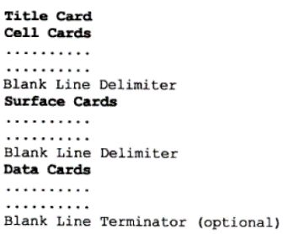

Problem Description
Details: | A bare sphere of plutonium metal with a coating of nickel
Radius | 6.3849 | [cm]
N-239 (Atom density of Pu-239) | 3.70E-02 | [atom/barn-cm]
N-240 (Atom density of Pu-240) | 1.75E-03 | [atom/barn-cm]
N-241 (Atom density of Pu-241) | 1.17E-04 | [atom/barn-cm]
N-Ga (Atom density of Ga) | 1.38E-03 | [atom/barn-cm]
Spherical Coating (Thickness) | 0.0127 | [cm]
N-Ni (Atom density of Ni) | 9.31E-02 | [atom/barn-cm]

Cell Cards
Cell Cards
Index
Format
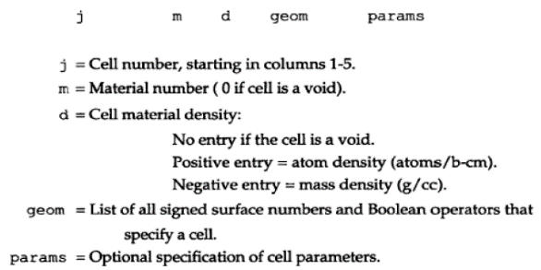

j | Comment | m | d | geom | params | importance | raw cell cards code
1 | $ Pu sphere | 1 | 4.03E-02 | -1 |  | imp:n=1 | 1 1 0.04029014 -1 imp:n=1 $ Pu sphere
2 | $ Ni Coating | 2 | 9.31E-02 | 1 -2 |  | imp:n=1 | 2 2 0.093122 1 -2 imp:n=1 $ Ni Coating
999 | $ Void Universe | 0 |  | 2 |  | imp:n=0 | 999 0 2 imp:n=0 $ Void Universe

Vised
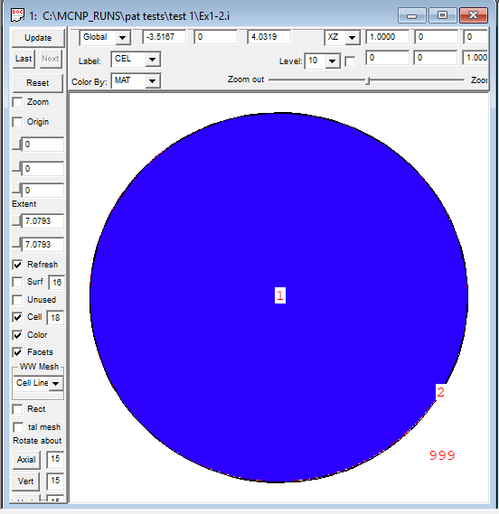
Vised
Index
Format

